Sheet1
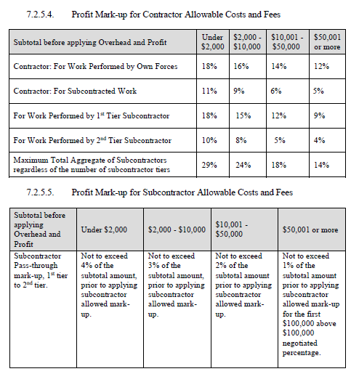
 |  | STATE OF NEW MEXICO |  |  |  | MICHELLE LUJAN GRISHAM
 |  |  |  |  |  | GOVERNOR
 |  | School District |  |  |  | JOE GUILLEN
 |  | In Collaboration With |  |  |  | PSCOC CHAIR
 |  | PUBLIC SCHOOL CAPITAL OUTLAY COUNCIL (PSCOC) |  |  |  | MARCOS B. TRUJILLO
 |  | PUBLIC SCHOOL FACILITIES AUTHORITY (PSFA) |  |  |  | PSFA EXECUTIVE DIRECTOR

00 6361 |  | MODIFICATION CHANGE REQUEST (MCR) WORKSHEET

MCR No.: |  |  |  |  | DATE:

PROJECT:

DESCRIPTION OF PROPOSED WORK:

NOTE: Fill out a separate worksheet for each Subcontractor (SUB) on this MCR. The General Contractor (GC) shall use this same form to summarize the total of all SUB proposals while adding GC costs. Attach all worksheets and breakdowns to summary sheet for each MCR.

SUB'S COSTS (ATTACH SUB'S SHEET AND COST BREAKDOWNS):*
1 | Total of SUB's material (attach itemized breakdown): |  |  |  |  | $-
2 | Total of SUB's labor cost including fringe benefits and labor burden (attach itemized breakdown): |  |  |  |  | $-
3 | Other directly attributable costs allowed (attach itemized breakdown): |  |  |  |  | $-
4 | Subtotal (sum of Items 1, 2, 3): |  |  |  |  | $-
5 | SUB's Overhead and Profit (O&P) (see Table 7.2.5.4): |  |  |  |  | $-
6 | SUB's Bond (attach itemized breakdown): |  |  |  |  | $-
7 | SUB's Insurance (attach itemized breakdown): |  |  |  |  | $-
8 | Permits paid by subcontractor (attach itemized breakdown): |  |  |  |  | $-
9 | SUB's Total Costs (sum of Items 4, 5, 6, 7, 8): |  |  |  |  | $-

GC'S COSTS (ATTACH WORKSHEETS)*
10 | GC's material (attach itemized breakdown): |  |  |  |  | $-
11 | GC's labor cost including fringe benefits and labor burden (attach itemized breakdown): |  |  |  |  | $-
12 | GC's other directly attributable costs allowed (attach itemized breakdown): |  |  |  |  | $-
13 | Directly attributable field supervision (attach itemized breakdown): |  |  |  |  | $-
14 | Subtotal (sum of Items 10, 11, 12, 13): |  |  |  |  | $-
15 | GC's O&P on SUB |  | ( | 0% | of Item 4): | $-
16 | GC's O&P on work by GC's own forces |  | ( | 0% | of Item 14): | $-
17 | Subtotal (sum of Items 14, 15, and 16): |  |  |  |  | $-
18 | Permits paid by GC (attach itemized breakdown): |  |  |  |  | $-
19 | Insurance (attach itemized breakdown): |  |  |  |  | $-
20 | Bond (attach itemized breakdown): |  |  |  |  | $-

21 | MCR Subtotal (sum of Items 9, 17, 18, 19, 20): |  |  |  |  | $-
22 | Gross Receipts Tax ( |  |  | 0.0000% | of Item 21): | $-
23 | GC's Total Cost (sum of Items 21 and 22): |  |  |  |  | $-

* Allowable costs and percentages shall not exceed those indicated in Article 7.2.5. 5/29/24

